Instructions
INSTRUCTIONS:
Complete fillable fields in order of tabs:
1 | Certification
2 | Development Summary
3 | Building Detail
4 | Unit Detail
Once the detail is completed on each tab, the summary information will fill in on the Development Summary and Building Detail tabs.

 | Certification Tab
 | • Signed hard-copy or PDF version must be submitted along with the electronic excel version.

 | Development Summary Tab
 | • If all units in all buildings are claiming the same credit types (i.e. Acquisition, Rehabilitation, New); the unit level detail of the Credit Type does not need to be completed.

 | Building Detail Tab
 | • Residential Building Numbers must be filled in before Unit Detail can be completed.
 | • Residential Building Numbers must use the assigned Building Identification Number (BIN) once assigned.

 | Unit Detail Tab
 | • Drop down for Building # will be populated from Building Number fields from Building Detail tab.
 | • All units must have a Primary Unit Designation. A unit may or may not have one or more secondary unit designations.
 | • Mark each primary and secondary unit designation with an "x" for the appropriate box.
 | • Once a Building # is selected, all unit assignments will be attributed to that building until a different Building number is selected.
 | • Unit designations are limited to five characters

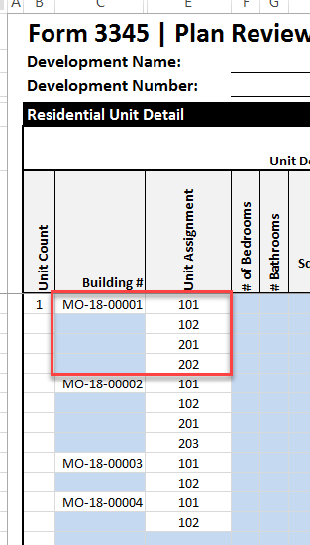

 | Unit Summary Tab
 | • Once all detail for all units and buildings is completed click "Update" for summary of unit types including HOME and NHTF.
 | • If any unit detail is changed, the "Update" link must be clicked again to refresh.

General Insturctions
• Market rate only buildings are NOT allowed.
• Light blue fields are fillable.
• Each building in the development must be listed, all units must be identified for each building.
• Each building must have an address listed, the final mailing address for each building must be updated on the Cost Certification version. The building addresses listed on the Cost Certification version must match the building addresses submitted in the Cost Certification packet.
• Square feet must be in whole numbers.
• HOME and NHTF Units: For HOME and/or NHTF units that are combined with LIHTC units, mark the HOME and/or NHTF column in addition to the LIHTC column.
• Employee Units: If the development is 100% Low Income units - both LI and Emp columns should be marked in the unit detail; If there are market units in the project, just the Emp column should be marked.
• Census Tract: The census tract for each building may vary in a scattered site project, please note that the census tract listed for each building must correspond to that specific building address, not just the main project address.
• Unit Number Assignment (Cost Certification Version): The unit number assignments listed in the Residential Building detail must be the final, actual unit numbers assigned within each building. If the unit number assignments differ from what is submitted on this form and require revision, a per-unit change fee may be assessed, as detailed above.

