TDC Limit Calculator
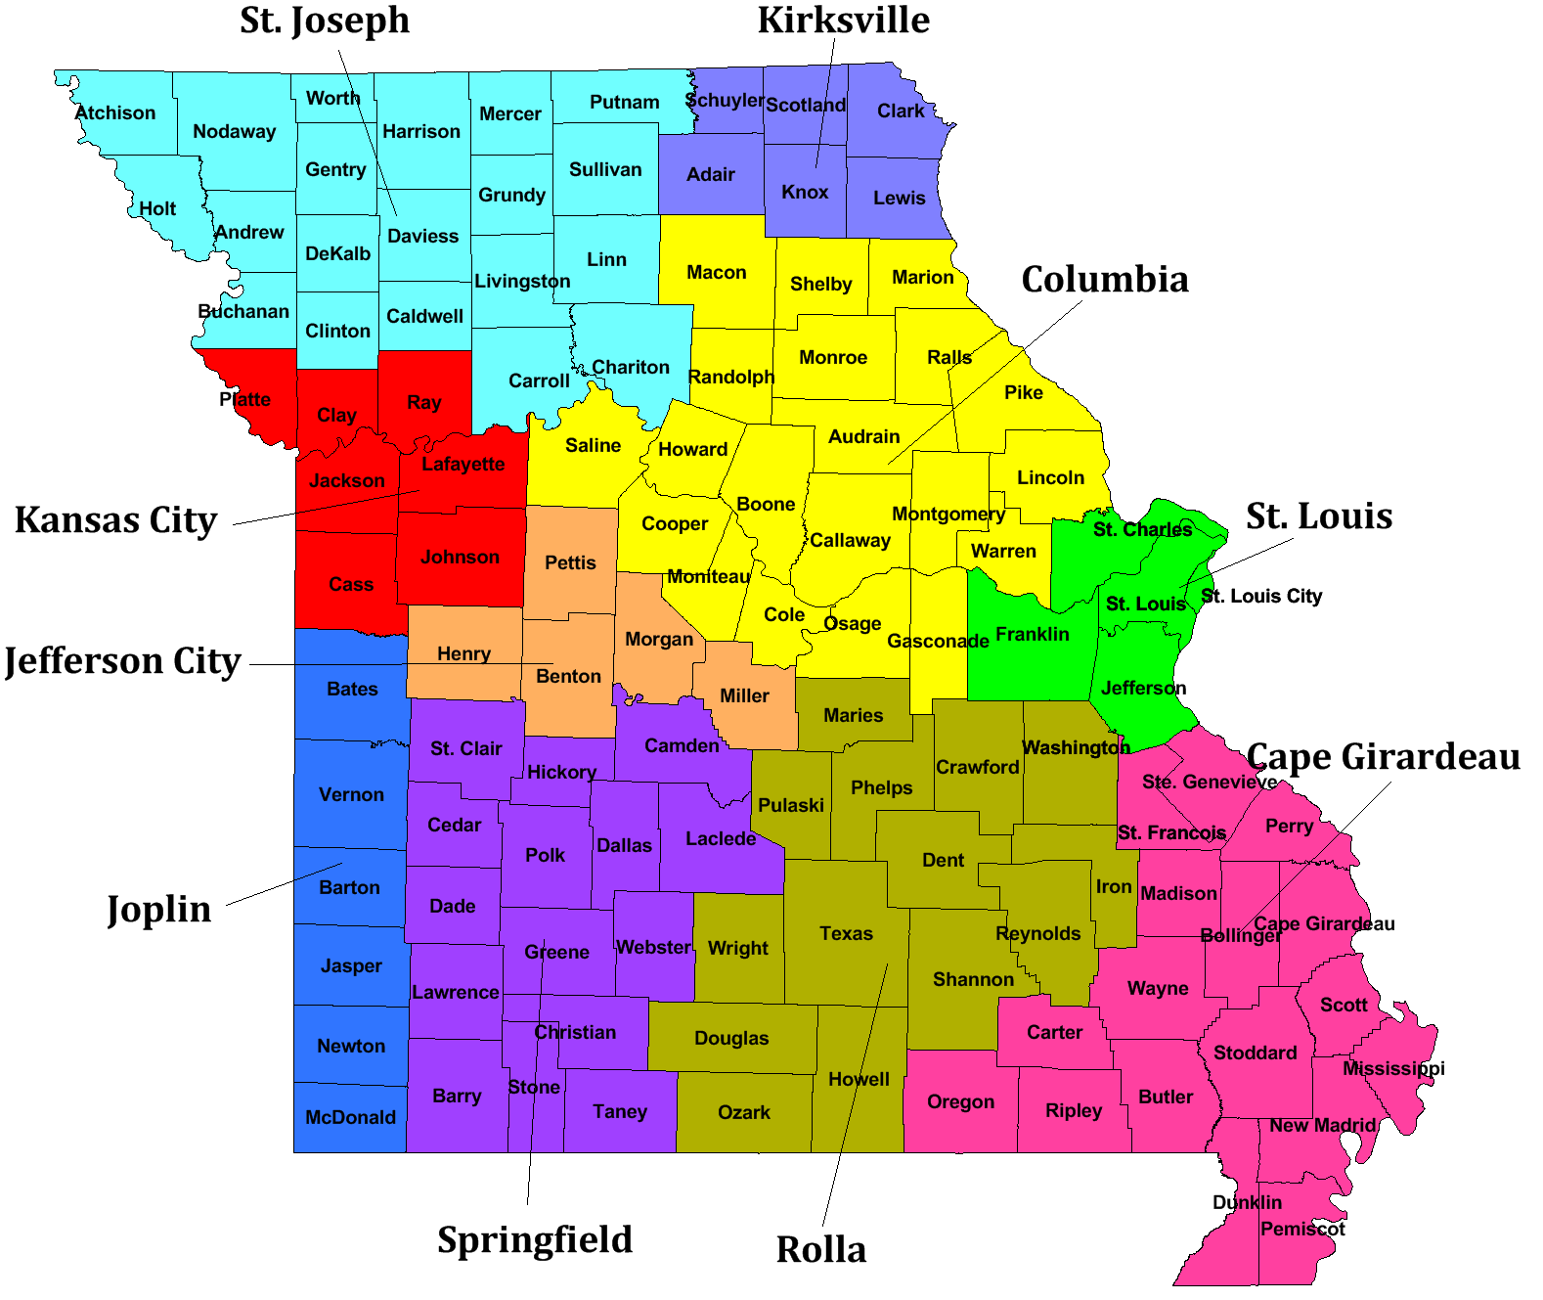
Maximum Total Development Cost Calculator
MHDC Updated: | 2023-04-07

Automatic: | Select County, Building Type, and input Bedrooms

County |  |  | Select County
Building Type* |  | Non-Elevator | Select Elevator or Non-Elevator
Area |  | Select County
Bedrooms |  | No. Units | Maximum Limit | Total Development Costs
0 Bedrooms
1 Bedrooms
2 Bedrooms
3 Bedrooms
4+ Bedrooms

 |  |  | Maximum Total Development Costs | $0

Manual: | Input Cost limits based on County, Building Type, and Bedrooms

 |  | Bedrooms
 |  | 0 | 1 | 2 | 3 | 4+
No. Units
Maximum Limit*
Total Development Costs |  | $0 | $0 | $0 | $0 | $0

 |  |  |  |  | Maximum Total Development Costs | $0

* If the building has an elevator use the elevator limit, otherwise use the non-elevator limit

Cost Areas

